Project563
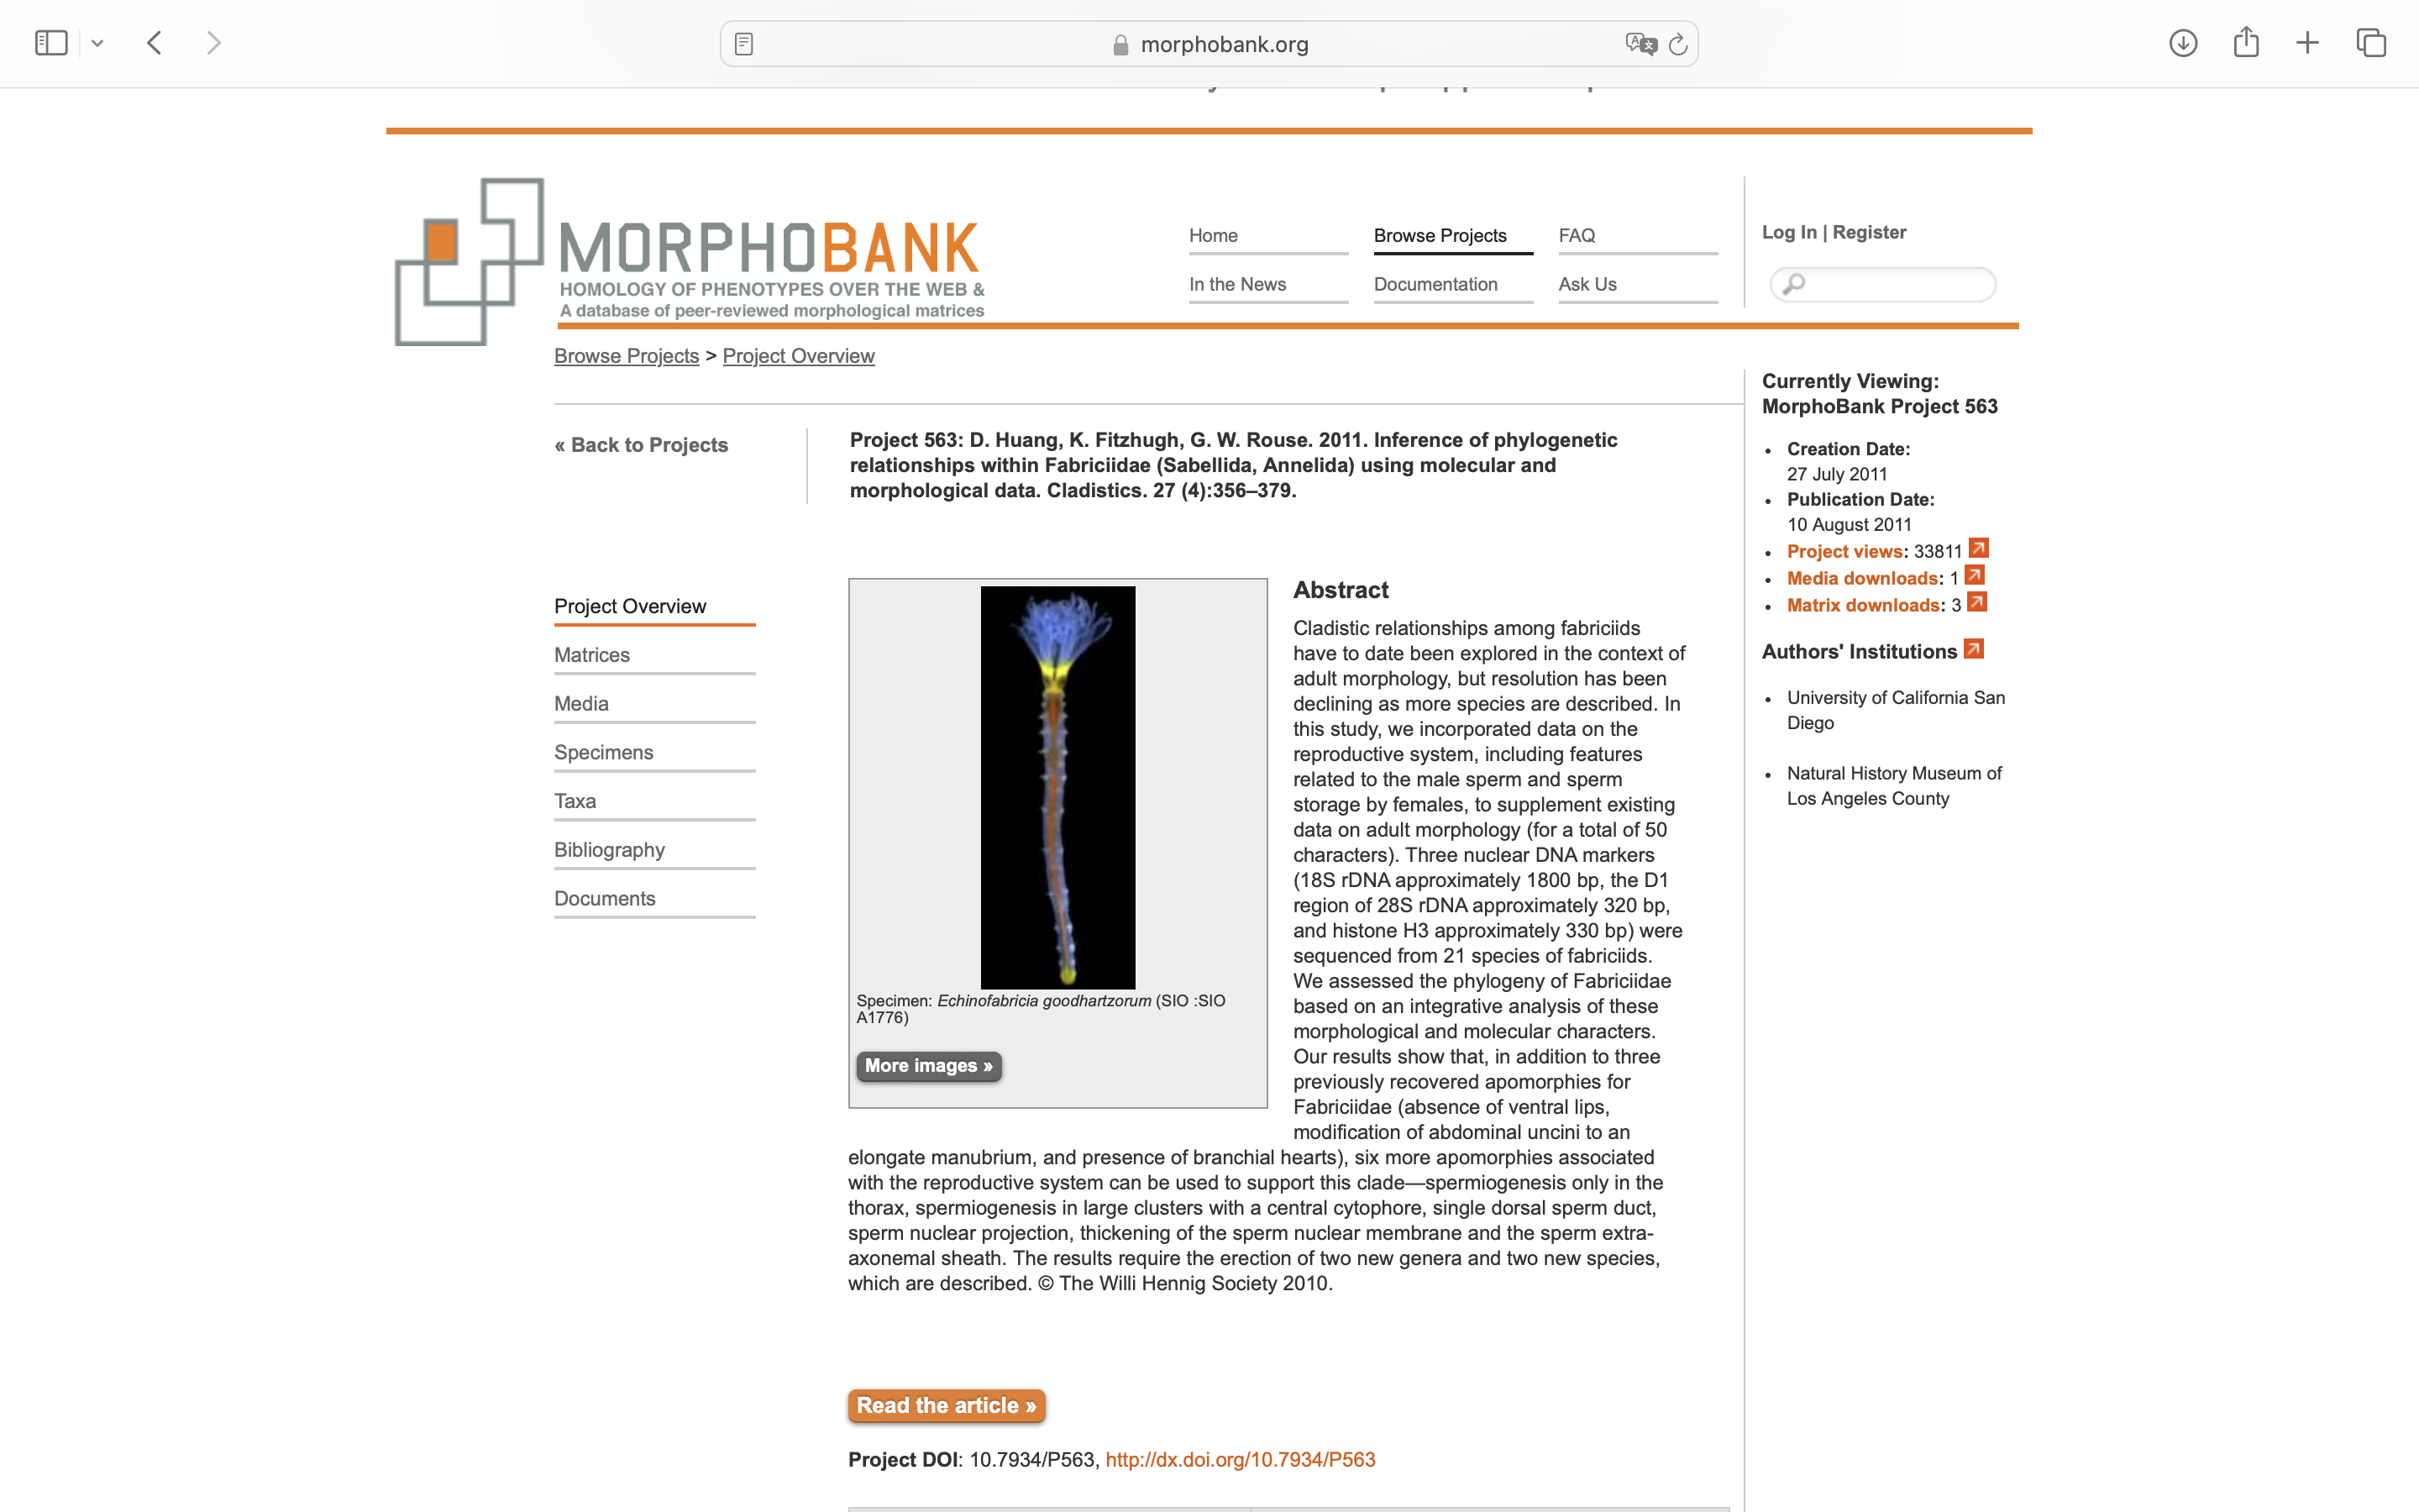
Charlabels | Character Pattern | Unseen States
[1] 'root pith sclerified' | Neomorphic | NO
[2] 'continuous band of sclerenchymatous fibers in cortex of root' | Neomorphic | NO
[3] 'root hairs' | Neomorphic | NO
[4] 'root hair structure' | Transformational | NO
[5] 'root anatomy' | Transformational | YES
[6] 'outer root cortex' | Transformational | YES
[7] 'root mantle' | Neomorphic | NO
[8] 'stem symmetry' | Transformational | YES
[9] 'stem shape' | Transformational | YES
[10] 'Stem sclerenchyma' | Neomorphic | NO
[11] 'mature shoot stele type' | Transformational | YES
[12] 'vascular stele cycles' | Transformational | NO
[13] 'pneumathodes' | Neomorphic | NO
[14] 'petiole stele number' | Transformational | NO
[15] 'xylem configuration in petiole' | Transformational | YES
[16] 'Pitting pattern of metaxylem' | Transformational | YES
[17] 'scales' | Neomorphic | NO
[18] 'scale cells' | Transformational | YES
[19] 'Peltate laminar scales' | Transformational | YES
[20] 'mucilage canals' | Neomorphic | NO
[21] 'fertile-sterile leaf differentiation' | Transformational | YES
[22] 'fertile fronds' | Transformational | NO
[23] 'blade dissection' | Transformational | NO
[24] 'basal pinnae more elaborated' | Neomorphic | NO
[25] 'ultimate pinnule size' | Transformational | NO
[26] 'rachis wings' | Neomorphic | NO
[27] 'number of fronds produced at a time' | Transformational | NO
[28] 'pinnule attachment' | Transformational | YES
[29] 'pinnule base' | Transformational | YES
[30] 'pinnule apices' | Transformational | YES
[31] 'fertile pinnules' | Transformational | NO
[32] 'reflexed margin completely envelopes the sporangia' | Neomorphic | NO
[33] 'Lamina margins of pinnae or pinnules excluding apex' | Transformational | YES
[34] 'fibrous lamina margin' | Neomorphic | NO
[35] 'forking of veins in fertile frond' | Transformational | YES
[36] 'veins' | NT2;0=0-;1=11;2=12
[37] 'vein density' | Transformational | NO
[38] 'false veins' | Neomorphic | NO
[39] 'pulvini' | Neomorphic | NO
[40] 'soft spines on veins' | Neomorphic | NO
[41] 'sutures at pinnule bases' | Neomorphic | NO
[42] 'Stipules' | Neomorphic | NO
[43] 'stomatal type' | Transformational | NO
[44] 'stomatal shape' | Transformational | YES
[45] 'stomatal guard cells' | Transformational | YES
[46] 'stomatal complex' | Transformational | YES
[47] 'idioblasts in abaxial epidermis' | Neomorphic | NO
[48] 'Laminar idioblast groupings' | Transformational | YES
[49] 'laminar tissue expanded between sori/sporangia' | Neomorphic | NO
[50] 'sporangial gouping' | Neomorphic | NO
[51] 'sporangial stalk width' | Transformational | YES
[52] 'sporangial development' | Transformational | YES
[53] 'annulus' | Neomorphic | NO
[54] 'shape of sporangia' | Transformational | YES
[55] 'sporangial aperture development' | Transformational | YES
[56] 'sporangial aperture shape' | Transformational | YES
[57] 'sporangial tips' | Neomorphic | NO
[58] 'sporangial tip length' | Transformational | YES
[59] 'size of sporangia' | Transformational | NO
[60] 'sporangia dorsal wall thickness' | Transformational | NO
[61] 'indument borne on sporangia' | Neomorphic | NO
[62] 'paraphyses' | Neomorphic | NO
[63] 'sporangial outer wall cells' | Transformational | YES
[64] 'number of sporangia per synangium' | Transformational | NO
[65] 'sporangial fusion in synangia' | Transformational | YES
[66] 'synangial division between valves' | Transformational | YES
[67] 'position of the synangia' | Transformational | YES
[68] 'distribution of synangia' | Transformational | YES
[69] 'symmetry of synangia' | Transformational | YES
[70] 'receptacle' | Transformational | YES
[71] 'tracheids in placental tissue' | Neomorphic | NO
[72] 'sporangia/synangia' | Transformational | YES
[73] 'spore output per sporangium' | Transformational | YES
[74] 'spore morphology' | Transformational | YES
[75] 'exine ornamentation' | Transformational | YES
[76] 'spore size' | Transformational | NO
[77] 'spores chlorophyllous' | Neomorphic | NO

